18F_MH.MZ(compound)
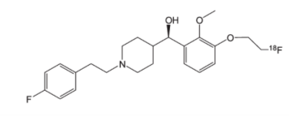
Structures
Property name | Property Value |  |  |  | (R)-(3-(2-(fluoro-18F)ethoxy)-2-methoxyphenyl)(1-(4-fluorophenethyl)piperidin-4-yl)methanol
trivial name | [18F]MH.MZ |  |  |  | Chemical Formula: C23H29F18FNO3
DOI | 10.1002/jlcr.2947 |  |  |  | Exact Mass: 404.21
Molecular formula | C23H29F18FNO3 |  |  |  | Molecular Weight: 404.49
 |  |  |  |  | m/z: 404.21 (100.0%), 405.22 (25.3%), 406.22 (3.7%)
Chemical and Physical Properties | Calculated by ChemDraw(ver22.2.0) |  |  |  | Elemental Analysis: C, 68.30; H, 7.23; F, 9.15; N, 3.46; O, 11.87
Property name | Property Value |  |  |  | Boiling Point: 956.98 [K]
Molecular weight | 404.49 |  |  |  | Melting Point: 573.7 [K]
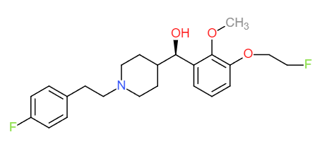
XlogP3 | 4.20 |  |  |  | Critical Temp: 915.29 [K]
Hydrogen Bond Donar Count | 1 |  |  |  | Critical Pres: 14.19 [Bar]
Hydrogen Bond Acceptor Count | 1 |  |  |  | Critical Vol: 1151.5 [cm3/mol]
Rotatable Bond Count | 10 |  |  |  | Gibbs Energy: -252.84 [kJ/mol]
Exact Mass | 404.21 |  |  |  | Log P: 4
Monoisotopic Mass | 404.21 |  |  |  | MR: 111.12 [cm3/mol]
Topological Polar Surface Area | 41.93 |  |  |  | Henry's Law: 11.15
Heavy Atom Count | 29 |  |  |  | Heat of Form: -765.56 [kJ/mol]
Formal Charge | 0 |  |  |  | tPSA: 41.93
Complexity |  |  |  |  | CLogP: 3.541
Isotope Atom Stereocentor |  |  |  |  | CMR: 10.9832
Defined Atom Stereocenter Count |  |  | No. of Nitrogen and Oxygen Atoms: 4 |  | LogS: -4.664
Undefined Atom Stereocenter Count |  |  | No. of Rings: 3 |  | pKa: 9.400, 13.940
Defined Bond Stereocenter Count
Undefined Bond Stereocenter Count
Covalently-Bonded Unit Count
Compound Is Canonicalized

BioAssay Results
Activity Value, nM | Activity Type | BioAssay Name | BioAssay AID | Substance SID | DOI (References other than Pubchem)
3 | Ki | cloned human receptors |  |  | 10.1016/j.nucmedbio.2009.01.012

